Table 17
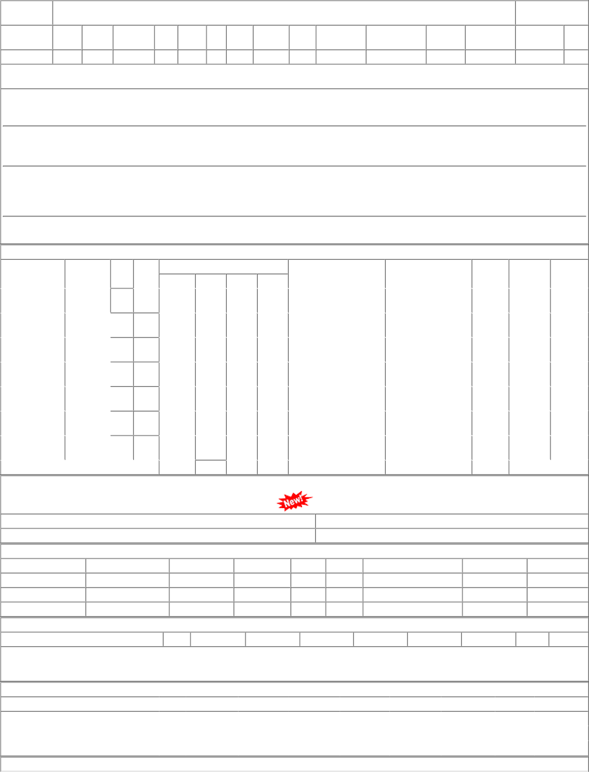
Sr | Depot | AI Rate | PO Qty | Unit | Due Qty | Start Dp | Dely.Dt | Dem.No.
001 | PL-CR | 5.19 | 23720 | Nos. | 23720 | 2023-04-01 | 2023-05-02 | 0222073376
002 | BVPW | 5.19 | 38820 | Nos. | 38820 | 2023-04-01 | 2023-05-02 | 2822073376
003 | DHD-L | 5.19 | 14541 | Nos. | 14541 | 2023-04-01 | 2023-05-02 | 6122073376

